Scenarii_edentula
Scenario number | Scenario code | Scenario description | Time conditions | Pool | Scenario image | Notes
1 (polytomy) | Naus Nns Ngl 0 sample 1 0 sample 2 0 sample 3 tBaus varNe 1 NBaus tanc merge 1 2 tanc merge 1 3 tanc varNe 1 Nanc | Polytomy: 3 parental populations with [pop 1 = AUS, pop 2 = NS, pop 3 = GL] constant effective population sizes [Naus], [Nns] and [Ngl] have diverged at time [tanc] from an ancestral population of size [Nanc]. At time [tBaus], there has been a demographic bottleneck in population 1 [AUS] resulting in a new effective popualtion, [NBaus], for a given number of generations. | taus>tBaus tanc>tBaus tanc>tBanc tBanc>taus tBanc>tBaus tanc>taus? | 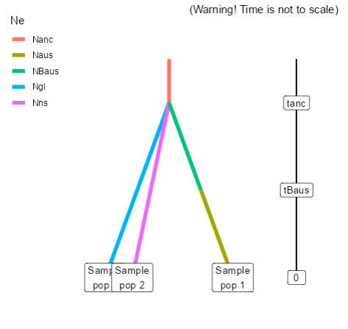 A (polytomy, ladderised) |  | Polytomy and novel Pop bottleneck.
2 | Naus Nns Ngl 0 sample 1 0 sample 2 0 sample 3 tBaus varNe 1 NBaus taus merge 2 1 tanc merge 2 3 tanc varNe 2 Nanc | Population 1 [AUS] is derived from population 2[NS] at time [taus]. Population 2 [NS], like population 3 [GL] is the product of a divergence in an ancestral population of size [Nanc] at time [tanc]. At time [tBaus] there has been a demographic bottleneck in population 1 [AUS], resulting in a reduced effective popualtion [NBaus] for a given number of generations. |  | A (polytomy, ladderised) | 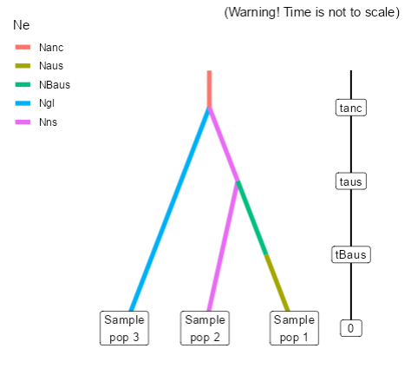 | #1 in "edentula_A_B_C"
3[removed] | Naus Nns Ngl 0 sample 1 0 sample 2 0 sample 3 tBaus varNe 1 NBaus taus merge 2 1 tBanc varNe 2 NBns tanc merge 2 3 tanc varNe 2 Nanc | Population 1 [aus] is derived from population 2[ns] at time [taus], which like population 3[gl], is the product of a divergence in an ancestral population of size [Nanc] at time [tanc]. At the point of it's divergence from Population 3[gl], Population 2[ns] experienced a demographic bottleneck [NBns] at time [tBanc] for a given number of generations. At time [tBaus] there has been a demographic bottleneck [NBaus] in population 1[aus] for a given number of generations. | tanc>tBanc tanc>taus tanc>tBaus tBanc>taus tBanc>tBaus taus>tBaus |  | 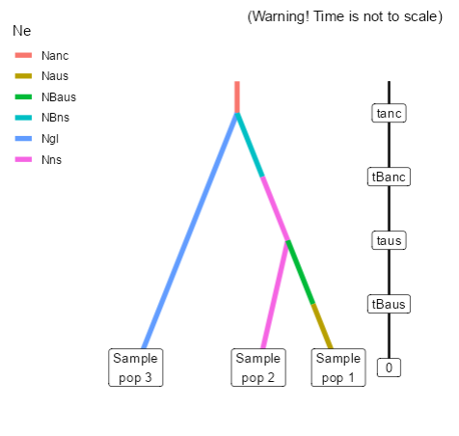 | Pop 1 diverges from Pop 2 - is bottleneccked - Novel Pop. 3 diverges from Pop 1 - is bottlenecked. Double bottleneck removed to decrease number of scenarios in Pool A
3 | Naus Nns Ngl 0 sample 1 0 sample 2 0 sample 3 tBaus varNe 1 NBaus taus merge 3 1 tanc merge 2 3 tanc varNe 2 Nanc | Population 1[aus] is derived from population 3[gl] at time [taus], which like population 2[ns], is the product of a divergence in an ancestral population of size [Nanc] at time [tanc]. At time [tBaus] there has been a demographic bottleneck [NBaus] in population 1[aus] for a given number of generations. |  | 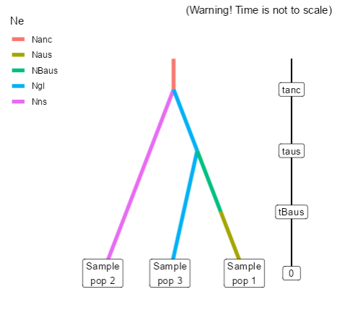 A (polytomy, ladderised)
5[removed] | Naus Nns Ngl 0 sample 1 0 sample 2 0 sample 3 tBaus varNe 1 NBaus taus merge 3 1 tBanc varNe 3 NBgl tanc merge 2 3 tanc varNe 2 Nanc | Population 1[aus] is derived from population 3[gl] at time [taus], which like population 2[ns], is the product of a divergence in an ancestral population of size [Nanc] at time [tanc]. At the point of it's divergence from Population 2[ns], Population 3[gl] experienced a demographic bottleneck [NBgl] at time [tBanc] fro a given number of generations. At time [tBaus] there has been a demographic bottleneck [NBaus] in population 1[aus] for a given number of generations. |  | A (polytomy, ladderised) | 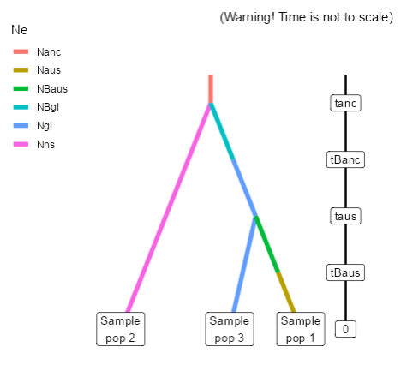 | Double bottleneck removed to decrease number of scenarios in Pool A
4 | Naus Nns Ngl 0 sample 1 0 sample 2 0 sample 3 tanc merge 1 2 tanc merge 1 3 tanc varNe 1 Nanc | Scenario 1 null: Same as scenario 1 but without any bottlenecks |  | A (polytomy, ladderised) | 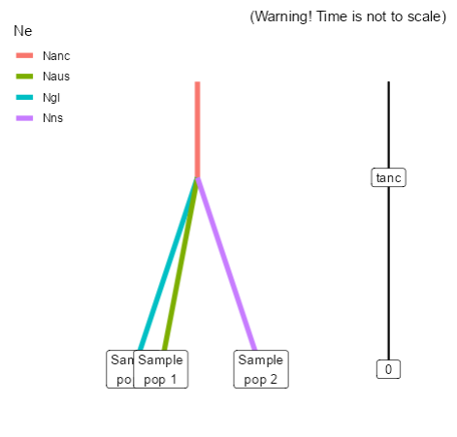
5 | Naus Nns Ngl 0 sample 1 0 sample 2 0 sample 3 taus merge 2 1 tanc merge 2 3 tanc varNe 2 Nanc | Scenario 2 null: scenario 2 without any bottlenecks |  | 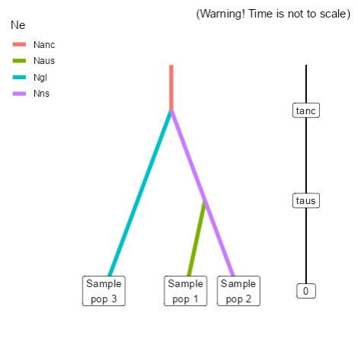 A (polytomy, ladderised)
6 | Naus Nns Ngl 0 sample 1 0 sample 2 0 sample 3 taus merge 3 1 tanc merge 2 3 tanc varNe 2 Nanc | Scenario 4 null: scenario 4 without any bottlenecks |  | A (polytomy, ladderised) | 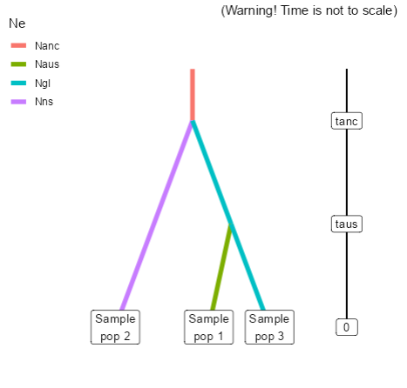
7 | Naus Nns Ngl Ngst 0 sample 1 0 sample 2 0 sample 3 tBaus varNe 1 NBaus taus merge 4 1 tanc merge 2 4 tanc merge 2 3 tanc varNe 2 Nanc | ghost origin polytomy |  | A (polytomy, ladderised) | 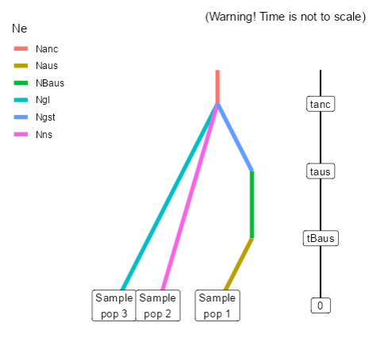 | Consider the following three topologies in relation to C. maritima
8 | Naus Nns Ngl Ngst 0 sample 1 0 sample 2 0 sample 3 tBaus varNe 1 NBaus taus merge 4 1 tgst merge 2 4 tanc merge 2 3 tanc varNe 2 Nanc | ghost origin off NS, bottleneck |  | A (polytomy, ladderised) | 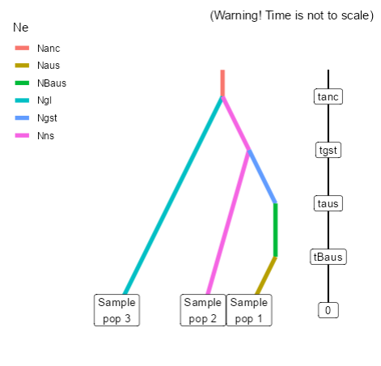
9 | Naus Nns Ngl Ngst 0 sample 1 0 sample 2 0 sample 3 tBaus varNe 1 NBaus taus merge 4 1 tgst merge 3 4 tanc merge 2 3 tanc varNe 2 Nanc | ghost origin off GL bottleneck |  | 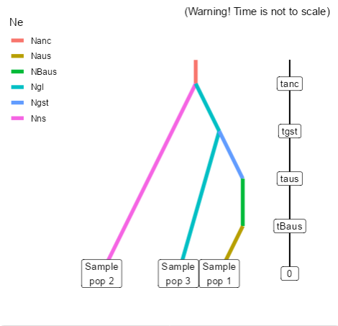 A (polytomy, ladderised)
1 | Naus Nns Ngl 0 sample 1 0 sample 2 0 sample 3 tBaus varNe 1 NBaus taus split 1 2 3 ra tanc merge 2 3 tanc varNe 2 Nanc | Two parental populations (2[ns] and 3[gl]) with constant effective population sizes Nns and Ngl have diverged at time [tanc] from an ancestral population of size [Nanc]. At time [taus], there has been an admixture event between the two populations giving birth to an admixed population pop 1[aus] with effective size Nbaus at time [tBaus], due to a bottleneck lasting a given number of generations, and with an admixture rate [ra] corresponding to the proportion of genes from Population 2[ns]. | tanc>gst tanc>taus tanc>tBaus tgst>taus tgst>tBaus taus>tBaus | B (origin by admixture) | 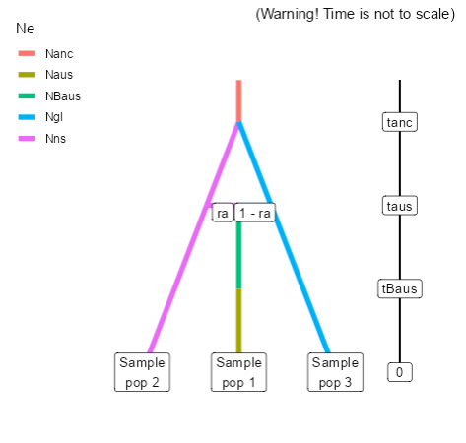 | Pop 2 and Pop 3 diverge, Novel Pop 2 created by admixture - is bottlenecked (consider making scenarios with either/both parental pops being bottlenecked.)
2 | Naus Nns Ngl Ngst 0 sample 1 0 sample 2 0 sample 3 tBaus varNe 1 NBaus taus split 1 2 4 ra tanc merge 2 3 tanc merge 2 4 tanc varNe 2 Nanc | Polytomy: 3 parental populations with constant effective population sizes [Naus], [Nns], [Ngl] and [Ngst] have diverged at time [tanc] from an ancestral population of size [Nanc]. At time [taus], there has been an admixture event between the popualtion 2[ns] and the 'ghost' population 4[gst] giving birth to an admixed population 1[aus] with effective size NBaus at time [tBaus], due to a bottleneck lasting a given number of generations, and with an admixture rate [ra] corresponding to the proportion of genes from Population 2[ns]. | tanc>gst tanc>taus tanc>tBaus tgst>taus tgst>tBaus taus>tBaus | 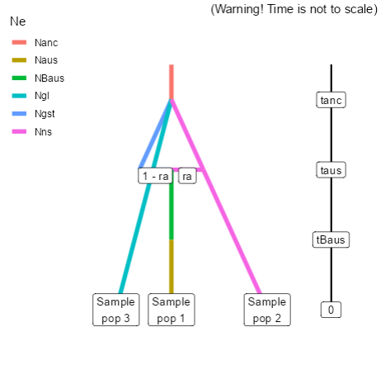 B (origin by admixture) |  | Polytomy of Pop 1, Pop 2 and Pop 4 (ghost). All three parental lineages diverge, Novel Pop 3 is formed by admixture event between Pop 4 (ghost) and Pop 1. Pop 3 is bottlenecked.
3 | Naus Nns Ngl Ngst 0 sample 1 0 sample 2 0 sample 3 tBaus varNe 1 NBaus taus split 1 3 4 ra tanc merge 2 3 tanc merge 2 4 tanc varNe 2 Nanc | Polytomy: 3 parental populations with constant effective population sizes [Naus], [Nns], [Ngl] and [Ngst] have diverged at time [tanc] from an ancestral population of size [Nanc]. At time [taus], there has been an admixture event between the population 3[gl] and the 'ghost' population 4 giving birth to an admixed population 1[aus] with effective size NBaus at time [tBaus], due to a bottleneck lasting a given number of generations, and with an admixture rate [ra] corresponding to the proportion of genes from Population 3[gl]. | tanc>gst tanc>taus tanc>tBaus tgst>taus tgst>tBaus taus>tBaus | B (origin by admixture) | 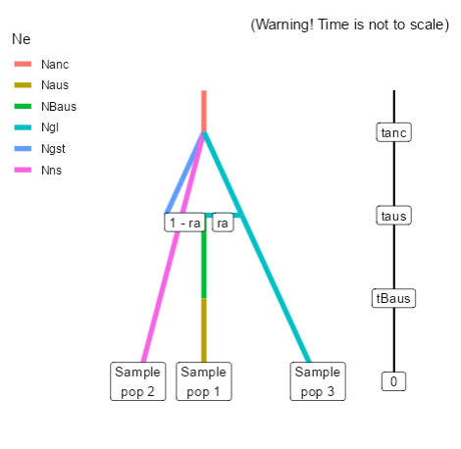 | Polytomy of Pop 1, Pop 2 and Pop 4 (ghost). All three parental lineages diverge, Novel Pop 3 is formed by admixture event between Pop 4 (ghost) and Pop 2. Pop 3 is bottlenecked.
4 | Naus Nns Ngl Ngst 0 sample 1 0 sample 2 0 sample 3 tBaus varNe 1 NBaus taus split 1 2 4 ra tgst merge 2 4 tanc merge 2 3 tanc varNe 2 Nanc | 2 parental populations with constant effective population sizes [Nns] and [Ngl] have diverged at time [tanc] from an ancestral population of size [Nanc]. At time [tgst] Population 2[ns] and Population 4[gst] have diverged. At time [taus], there has been an admixture event between the popualtion 2[ns] and the 'ghost' population 4[gst] giving birth to an admixed population 1[aus] with effective size NBaus at time [tBaus], due to a bottleneck lasting a given number of generations, and with an admixture rate [ra] corresponding to the proportion of genes from Population 2[ns]. | tanc>gst tanc>taus tanc>tBaus tgst>taus tgst>tBaus taus>tBaus | B (origin by admixture) | 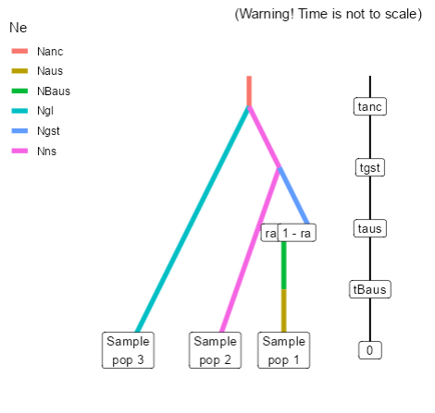 | Divergence between Pop 1 and Pop 2. Divergence between Pop 1 and Pop 4 (ghost). Admixture between Pop 1 and Pop 4 results in Novel Pop 3 - which is bottlenecked. (Note you need this scenario to include a combination where the Pop 1 diverged Pop 4 (ghost) admixes with Pop 2 creating Pop 3) | You need to create this scenario to include a combination where the pop2[ns] diverged pop4[gst] admixes with pop 3[gl] creating pop 1[aus]
5 | Naus Nns Ngl Ngst 0 sample 1 0 sample 2 0 sample 3 tBaus varNe 1 NBaus taus split 1 3 4 ra tgst merge 3 4 tanc merge 2 3 tanc varNe 2 Nanc | 2 parental populations with constant effective population sizes [Nns] and [Ngl] have diverged at time [tanc] from an ancestral population of size [Nanc]. At time [tgst] Population 3[gl] and Population 4[gst] have diverged. At time [taus], there has been an admixture event between the popualtion 3[gl] and the 'ghost' population 4[gst] giving birth to an admixed population 1[aus] with effective size NBaus at time [tBaus], due to a bottleneck lasting a given number of generations, and with an admixture rate [ra] corresponding to the proportion of genes from Population 3[gl]. | tanc>gst tanc>taus tanc>tBaus tgst>taus tgst>tBaus taus>tBaus | B (origin by admixture) | 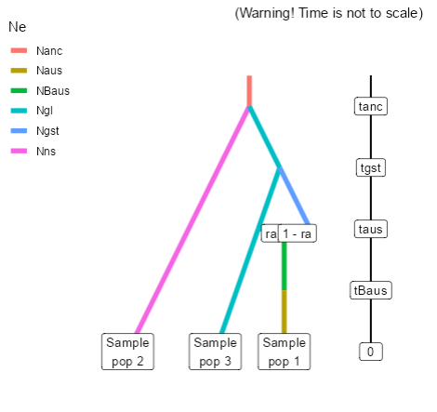
6 | Naus Nns Ngl Ngst 0 sample 1 0 sample 2 0 sample 3 tBaus varNe 1 NBaus taus split 1 3 4 ra tgst merge 2 4 tanc merge 2 3 tanc varNe 2 Nanc | You need to create this scenario to include a combination where the pop2[ns] diverged pop4[gst] admixes with pop 3[gl] creating pop 1[aus] | tanc>gst tanc>taus tanc>tBaus tgst>taus tgst>tBaus taus>tBaus | B (origin by admixture) | 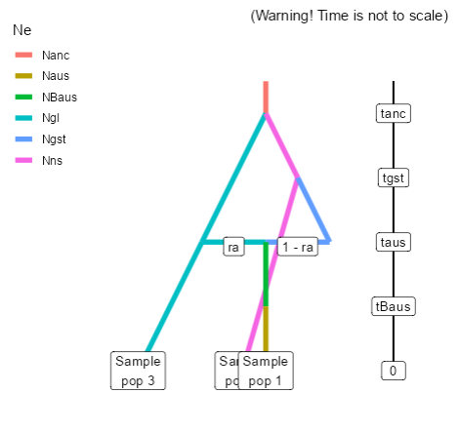
7 | Naus Nns Ngl Ngst 0 sample 1 0 sample 2 0 sample 3 tBaus varNe 1 NBaus taus split 1 2 4 ra tgst merge 3 4 tanc merge 2 3 tanc varNe 2 Nanc | You need to create this scenario to include a combination where the pop3[gl] diverged pop4[gst] admixes with pop 2[ns] creating pop 1[aus] | tanc>gst tanc>taus tanc>tBaus tgst>taus tgst>tBaus taus>tBaus | B (origin by admixture) | 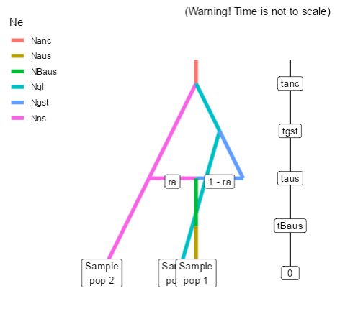 | You need to create this scenario to include a combination where the pop2[ns] diverged pop4[gst] admixes with pop 3[gl] creating pop 1[aus]
1 | Naus Nns Ngl Ngst1 Ngst2 0 sample 1 0 sample 2 0 sample 3 tpost split 1 5 4 ra tBaus2 varNe 5 NBgst2 taus2 merge 3 5 tBaus varNe 4 NBgst1 taus merge 3 4 tanc merge 2 3 tanc varNe 2 Nanc | at time [tanc], which has a effective population [Nanc], pop2[ns] and pop3[gl] split. At time [taus] pop 4 [gst1] splits off pop3[gl] and is bottlenecked for time [tBaus] resulting in Ne of [NBgst1]. Later (earlier) at time [tBaus2] pop 5 [gst2] splits off pop3[gl] and is bottlenecked for time [tBaus2] resulting in a Ne of [NBgst2]. Then at time [tpost] pop1 [aus] is given rise to from the admixture of pop5[gst2] and pop4[gst1] at a rate of [ra]. |  | C (multiple origin) | 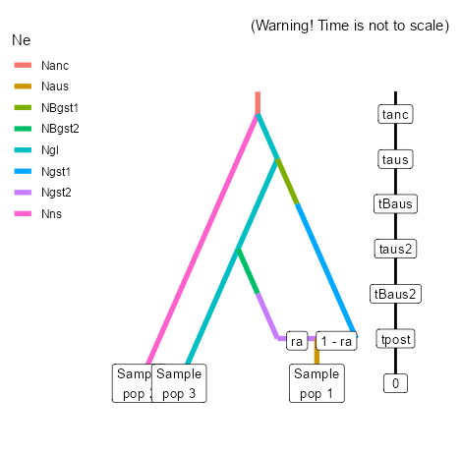
2 | Naus Nns Ngl Ngst1 Ngst2 0 sample 1 0 sample 2 0 sample 3 tpost split 1 5 4 ra tBaus2 varNe 5 NBgst2 taus2 merge 2 5 tBaus varNe 4 NBgst1 taus merge 3 4 tanc merge 2 3 tanc varNe 2 Nanc | At time [tanc], which has a effective population [Nanc], pop2[ns] and pop3[gl] split. At time [taus] pop 4 [gst1] splits off pop3[gl] and is bottlenecked for time [tBaus] resulting in Ne of [NBgst1]. Later (more recently) at time [tBaus2] pop 5 [gst2] splits off pop2[ns] and is bottlenecked for time [tBaus2] resulting in a Ne of [NBgst2]. Then at time [tpost] pop1 [aus] is given rise to from the admixture of pop5[gst2] and pop4[gst1] at a rate of [ra]. |  | 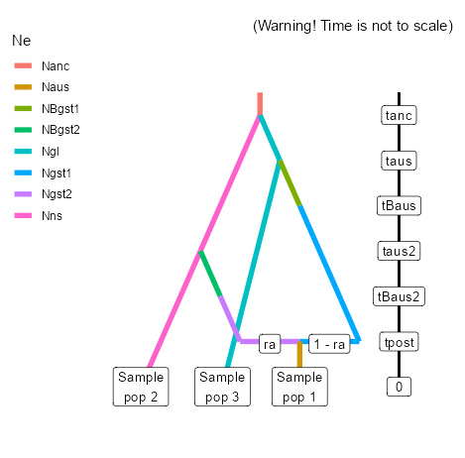 C (multiple origin)
3 | Naus Nns Ngl Ngst1 Ngst2 0 sample 1 0 sample 2 0 sample 3 tpost split 1 4 5 ra tBaus2 varNe 4 NBgst1 taus2 merge 2 4 tBaus varNe 5 NBgst2 taus merge 3 5 tanc merge 2 3 tanc varNe 2 Nanc | At time [tanc], which has a effective population [Nanc], pop2[ns] and pop3[gl] split. At time [taus] pop 5 [gst2] splits off pop3[gl] and is bottlenecked for time [tBaus] resulting in Ne of [NBgst2]. Later (more recently) at time [tBaus2] pop 4 [gst1] splits off pop2[gl] and is bottlenecked for time [tBaus2] resulting in a Ne of [NBgst1]. Then at time [tpost] pop1 [aus] is given rise to from the admixture of pop5[gst2] and pop4[gst1] at a rate of [ra]. |  | 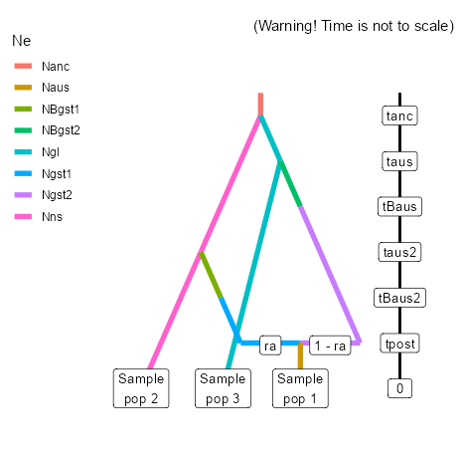 C (multiple origin)
4 | Naus Nns Ngl Ngst1 Ngst2 Ngst3 0 sample 1 0 sample 2 0 sample 3 tpost split 1 5 4 ra tBaus2 varNe 5 NBgst2 taus2 merge 3 5 tBaus varNe 4 NBgst1 taus merge 6 4 tanc merge 2 6 tanc merge 2 3 tanc varNe 2 Nanc | At time [tanc], there is an ancestral population which has a effective population [Nanc], pop2[ns], pop3[gl] and pop6[gst3] split. At time [taus] pop4 [gst1] splits off pop6[gst3] and is bottlenecked for time [tBaus] resulting in Ne of [NBgst1]. Later (more recently) at time [tBaus2] pop 5[gst2] splits off pop3[gl] and is bottlenecked for time [tBaus2] resulting in a Ne of [NBgst2]. Then at time [tpost] pop1 [aus] is given rise to from the admixture of pop5[gst2] and pop4[gst1] at a rate of [ra]. |  | C (multiple origin) | 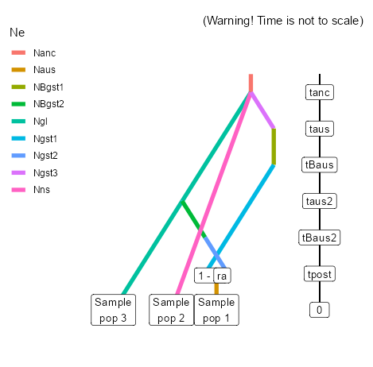
5 | Naus Nns Ngl Ngst1 Ngst2 Ngst3 0 sample 1 0 sample 2 0 sample 3 tpost split 1 5 4 ra tBaus2 varNe 5 NBgst2 taus2 merge 6 5 tBaus varNe 4 NBgst1 taus merge 3 4 tanc merge 2 6 tanc merge 2 3 tanc varNe 2 Nanc | At time [tanc], there is an ancestral population which has a effective population [Nanc], pop2[ns], pop3[aus] and pop6[gst3] split. At time [taus] pop4 [gst1] splits off pop3[gl] and is bottlenecked for time [tBaus] resulting in Ne of [NBgst1]. Later (more recently) at time [tBaus2] pop 5[gst2] splits off pop6[gst3] and is bottlenecked for time [tBaus2] resulting in a Ne of [NBgst2]. Then at time [tpost] pop3 [aus] is given rise to from the admixture of pop5[gst2] and pop4[gst1] at a rate of [ra]. |  | C (multiple origin) | 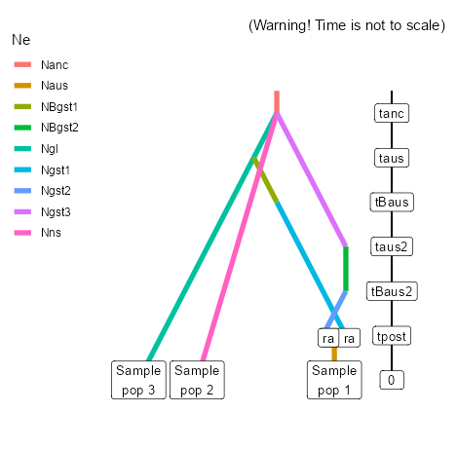
6 | Naus Nns Ngl Ngst1 Ngst2 Ngst3 0 sample 1 0 sample 2 0 sample 3 tpost split 1 5 4 ra tBaus2 varNe 5 NBgst2 taus2 merge 6 5 tBaus varNe 4 NBgst1 taus merge 6 4 tanc merge 2 6 tanc merge 2 3 tanc varNe 2 Nanc | At time [tanc], there is an ancestral population which has a effective population [Nanc], pop2[ns], pop3[gl] and pop6[gst3] split. At time [taus] pop4 [gst1] splits off pop6[gst3] and is bottlenecked for time [tBaus] resulting in Ne of [NBgst1]. Later (more recently) at time [tBaus2] pop 5[gst2] splits off pop6[gst3] and is bottlenecked for time [tBaus2] resulting in a Ne of [NBgst2]. Then at time [tpost] pop1 [aus] is given rise to from the admixture of pop5[gst2] and pop4[gst1] at a rate of [ra]. |  | C (multiple origin) | 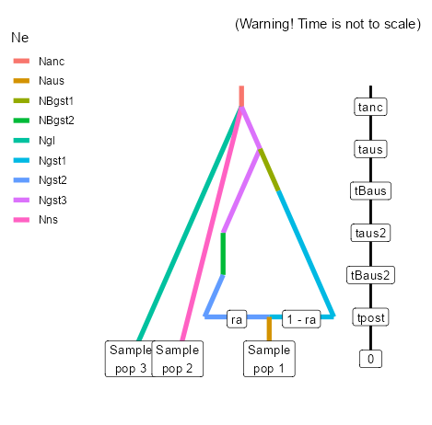
7 | Naus Nns Ngl Ngst1 Ngst2 0 sample 1 0 sample 2 0 sample 3 tpost split 1 5 4 ra tBaus2 varNe 5 NBgst2 taus2 merge 2 5 tBaus varNe 4 NBgst1 taus merge 2 4 tanc merge 2 3 tanc varNe 2 Nanc | Same as scenario 1 but now diverge from population 2[ns] |  | 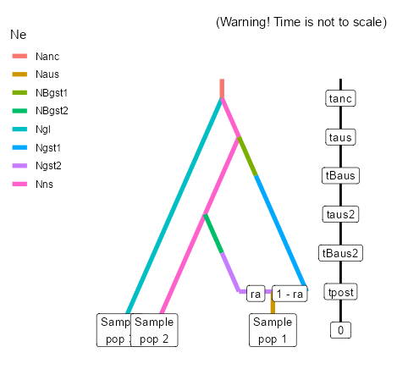 C (multiple origin)
8 | Naus Nns Ngl Ngst1 Ngst2 Ngst3 0 sample 1 0 sample 2 0 sample 3 tpost split 1 5 4 ra tBaus2 varNe 5 NBgst2 taus2 merge 2 5 tBaus varNe 4 NBgst1 taus merge 6 4 tanc merge 2 6 tanc merge 2 3 tanc varNe 2 Nanc | Same as scenario 4 but now diverge from population 2[na] later (gst3:source ghost diverges first). Not seen Pop3[gl] suspected behind the line for pop2 (needs to be drawn in as a green line) |  | 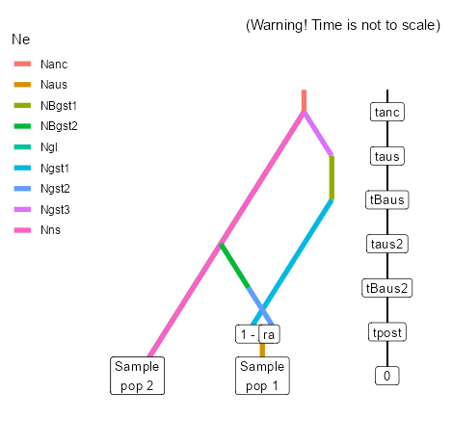 C (multiple origin)
9 | Naus Nns Ngl Ngst1 Ngst2 Ngst3 0 sample 1 0 sample 2 0 sample 3 tpost split 1 5 4 ra tBaus2 varNe 5 NBgst2 taus2 merge 6 5 tBaus varNe 4 NBgst1 taus merge 2 4 tanc merge 2 6 tanc merge 2 3 tanc varNe 2 Nanc | Same as scenario 5 but now diverge from population 2[ns] earlier (pop5[gst2] diverges from pop6[gst3] later). In the firguee it appear like pop3[gl] emerges from pop6[gst3] but the lines are juist lying ontop of each other. Pop3[gl] isnt involved in this scenario at all. |  | C (multiple origin) | 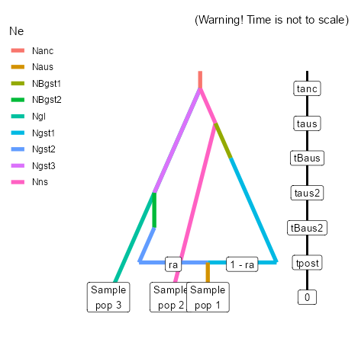

Scenarii_maritima
Scenario number | Scenario code | Scenario description | Time conditions | Pool | Scenario image | Notes
1 (polytomy) | Nbl Nmd Nwna 0 sample 1 0 sample 2 0 sample 3 tBwna varNe 3 NBwna tanc merge 1 2 tanc merge 1 3 tanc varNe 1 Nanc | Polytomy: 3 parental populations with [pop 1 = BALTIC, pop 2 = MEDI, pop 3 = WNA] constant effective population sizes [Nbl], [Nmd] and [Nwna] have diverged at time [tanc] from an ancestral population of size [Nanc]. At time [tBwna], there has been a demographic bottleneck in population 3 [WNA] resulting in a new effective popualtion, [NBwna], for a given number of generations. | taus>tBaus tanc>tBaus tanc>tBanc tBanc>taus tBanc>tBaus tanc>taus? | A (polytomy, ladderised) | 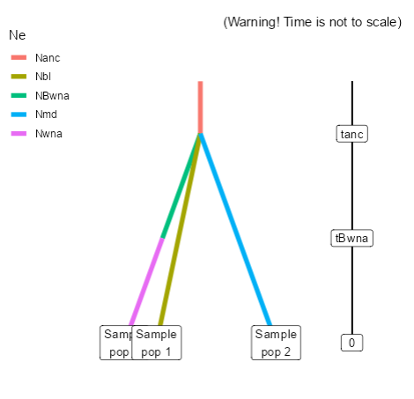 | Polytomy and novel Pop bottleneck.
2 | Nbl Nmd Nwna 0 sample 1 0 sample 2 0 sample 3 tBwna varNe 3 NBwna twna merge 2 3 tanc merge 2 1 tanc varNe 2 Nanc | Population 3 [wna] is derived from population 2[med] at time [twna]. Population 2 [med], like population 1 [baltic, bl] is the product of a divergence in an ancestral population of size [Nanc] at time [tanc]. At time [tBwna] there has been a demographic bottleneck in population 3 [wna], resulting in a reduced effective popualtion [NBwna] for a given number of generations. |  | A (polytomy, ladderised) | 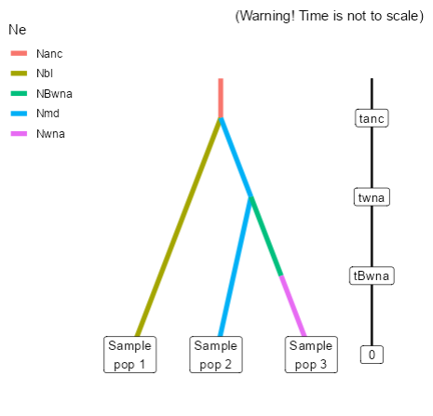
3 | Nbl Nmd Nwna 0 sample 1 0 sample 2 0 sample 3 tBwna varNe 3 NBwna twna merge 1 3 tanc merge 2 1 tanc varNe 2 Nanc | Population 3[wna] is derived from population 1[bl] at time [twna], which like population 2[med], is the product of a divergence in an ancestral population of size [Nanc] at time [tanc]. At time [tBwna] there has been a demographic bottleneck [NBwna] in population 3[wna] for a given number of generations. |  | A (polytomy, ladderised) | 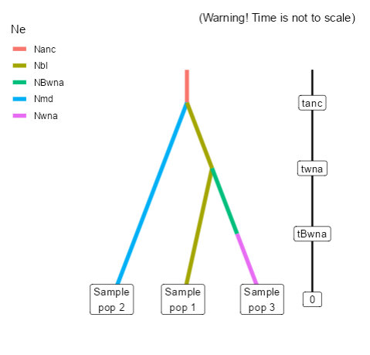
4 | Nbl Nmd Nwna 0 sample 1 0 sample 2 0 sample 3 tanc merge 3 2 tanc merge 3 1 tanc varNe 3 Nanc | Same as scenario 1 but without bottlnecks | tanc>tBanc tanc>taus tanc>tBaus tBanc>taus tBanc>tBaus taus>tBaus | A (polytomy, ladderised) | 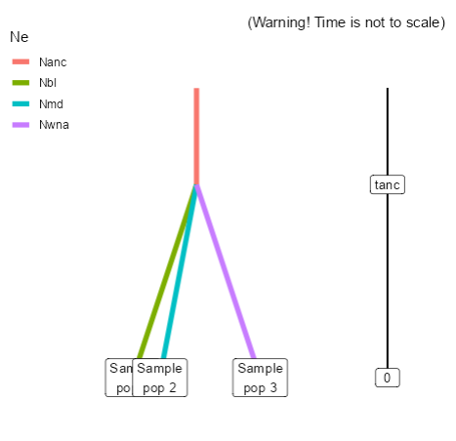 | Pop 1 diverges from Pop 2 - is bottleneccked - Novel Pop. 3 diverges from Pop 1 - is bottlenecked. | Not using double bottlenecked
5 | Nbl Nmd Nwna 0 sample 1 0 sample 2 0 sample 3 twna merge 2 3 tanc merge 2 1 tanc varNe 2 Nanc | Same as scenario 2 but without bottlnecks |  | A (polytomy, ladderised) | 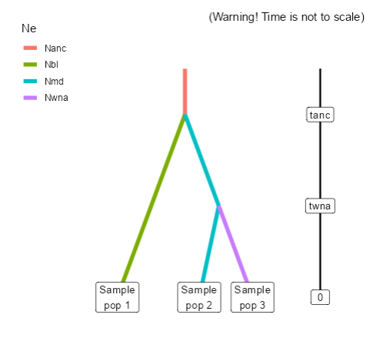
6 | Nbl Nmd Nwna 0 sample 1 0 sample 2 0 sample 3 twna merge 1 3 tanc merge 2 1 tanc varNe 2 Nanc | Same as scenario 3 but without bottlenecks |  | A (polytomy, ladderised) | 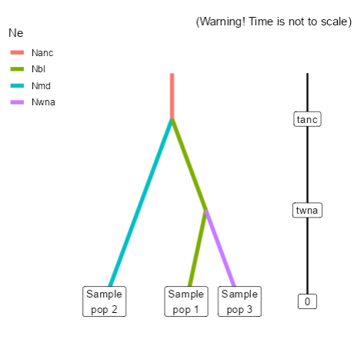
7 | Nbl Nmd Nwna Ngst 0 sample 1 0 sample 2 0 sample 3 tBwna varNe 3 NBwna twna merge 4 3 tanc merge 2 4 tanc merge 2 1 tanc varNe 2 Nanc | ghost origin polytomy |  | A (polytomy, ladderised) | 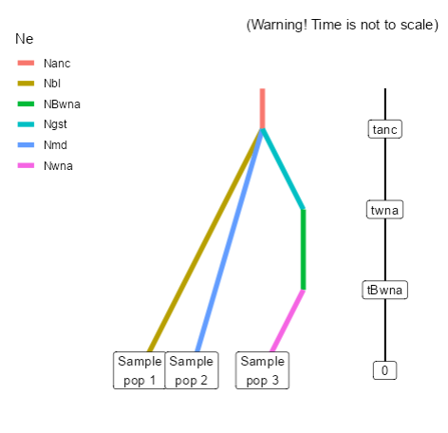
8 | Nbl Nmd Nwna Ngst 0 sample 1 0 sample 2 0 sample 3 tBwna varNe 3 NBwna twna merge 4 3 tgst merge 2 4 tanc merge 2 1 tanc varNe 2 Nanc | Ghost origin off mediterranean (md), bottleneck |  | A (polytomy, ladderised) | 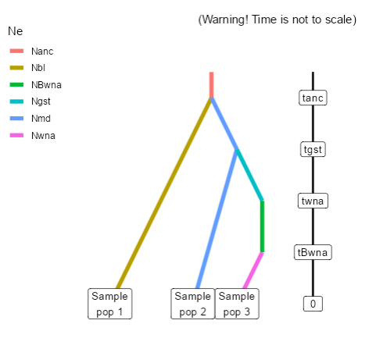
9 | Nbl Nmd Nwna Ngst 0 sample 1 0 sample 2 0 sample 3 tBwna varNe 3 NBwna twna merge 4 3 tgst merge 1 4 tanc merge 2 1 tanc varNe 2 Nanc | Ghost origin off Baltic (bl), bottleneck |  | A (polytomy, ladderised) | 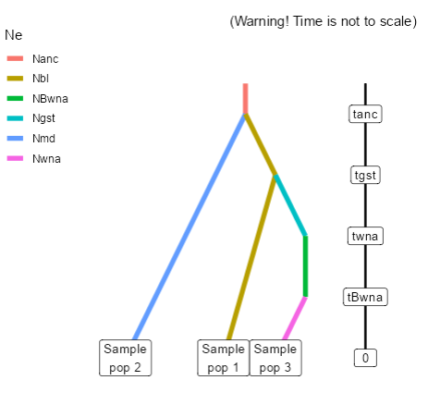
1 | Nbl Nmd Nwna Ngst 0 sample 1 0 sample 2 0 sample 3 tBwna varNe 3 NBwna twna merge 4 3 tadm split 4 2 1 ra tanc merge 2 1 tanc varNe 2 Nanc | Two parental populations (2[ns] and 3[gl]) with constant effective population sizes Nns and Ngl have diverged at time [tanc] from an ancestral population of size [Nanc]. At time [twna], there has been an admixture event between the two populations giving birth to an admixed population pop 1[gst] with effective size Ngst at time [tadm] and with an admixture rate [ra] corresponding to the proportion of genes from Population 2[md]. Later, at [twna] a population that will become the wna invasive population splits from [gst]. This causes a bottleneck lasting a given number of generations [tBwna], | tanc>gst tanc>taus tanc>tBaus tgst>taus tgst>tBaus taus>tBaus | B (origin by admixture) | 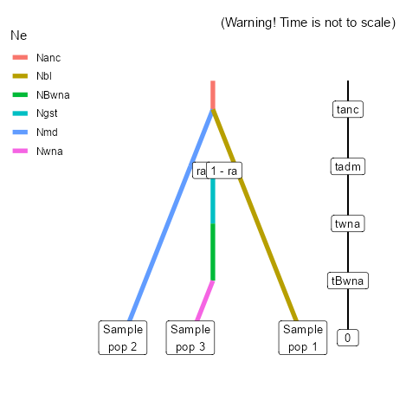 | Pop 2 and Pop 3 diverge, Novel Pop 2 created by admixture - is bottlenecked (consider making scenarios with either/both parental pops being bottlenecked.) | 20/05/2023: To make pool B more informative we will use it as the pre-admixture scenarios. This means that there is an ancient admixture event between native populations, that’s gives rise to a ghost popualtion, from which the novel population is derived from , with a bottleneck |  | Pool B 1
2 | Nbl Nmd Nwna Ngst Ngst1 0 sample 1 0 sample 2 0 sample 3 tBwna varNe 3 NBwna twna merge 4 3 tadm split 4 2 5 ra tanc merge 2 1 tanc merge 2 5 tanc varNe 2 Nanc | Polytomy: 3 parental populations with constant effective population sizes [Nbl], [Nmd] [Ngst1] have diverged at time [tanc] from an ancestral population of size [Nanc]. At time [tadm], there has been an admixture event between the popualtion 2[md] and the 'ghost' population 5[gst1] giving birth to an admixed population 4[gst] with effective size [Ngst]and with an admixture rate [ra] corresponding to the proportion of genes from Population 2[md]. Later at time [twna], a novel population 3 [wna] diverges from population 4[gst] and endures a bottleneck lasting a given number of generations, | tanc>gst tanc>taus tanc>tBaus tgst>taus tgst>tBaus taus>tBaus | 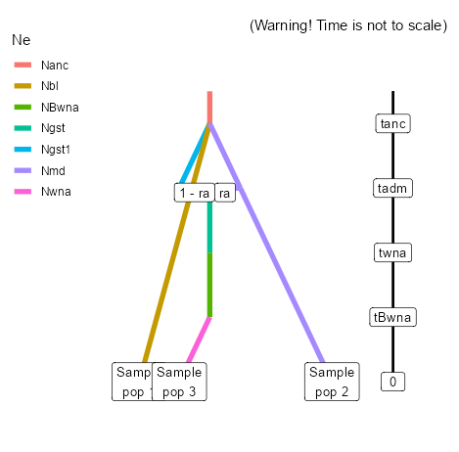 B (origin by admixture) |  | Polytomy of Pop 1, Pop 2 and Pop 4 (ghost). All three parental lineages diverge, Novel Pop 3 is formed by admixture event between Pop 4 (ghost) and Pop 1. Pop 3 is bottlenecked. |  |  | Pool B 2
3 | Nbl Nmd Nwna Ngst Ngst1 0 sample 1 0 sample 2 0 sample 3 tBwna varNe 3 NBwna twa merge 4 3 tadm split 4 1 5 ra tanc merge 2 1 tanc merge 2 5 tanc varNe 2 Nanc | Polytomy: 3 parental populations with constant effective population sizes [Naus], [Nns], [Ngl] and [Ngst] have diverged at time [tanc] from an ancestral population of size [Nanc]. At time [taus], there has been an admixture event between the population 3[gl] and the 'ghost' population 4 giving birth to an admixed population 1[aus] with effective size NBaus at time [tBaus], due to a bottleneck lasting a given number of generations, and with an admixture rate [ra] corresponding to the proportion of genes from Population 3[gl]. | tanc>gst tanc>taus tanc>tBaus tgst>taus tgst>tBaus taus>tBaus | 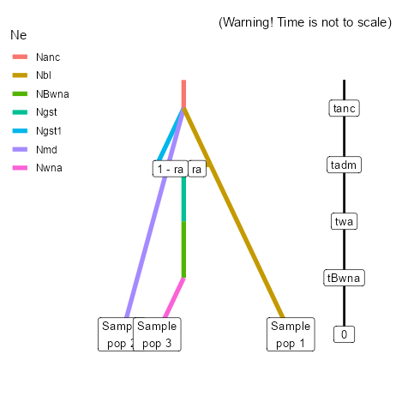 B (origin by admixture) |  | Polytomy of Pop 1, Pop 2 and Pop 4 (ghost). All three parental lineages diverge, Novel Pop 3 is formed by admixture event between Pop 4 (ghost) and Pop 2. Pop 3 is bottlenecked. |  |  | Pool B 3
4 | Nbl Nmd Nwna Ngst Ngst1 0 sample 1 0 sample 2 0 sample 3 tBwna varNe 3 NBwna twna merge 4 3 tadm split 4 2 5 ra tgst merge 2 5 tanc merge 2 1 tanc varNe 2 Nanc | 2 parental populations with constant effective population sizes [Nns] and [Ngl] have diverged at time [tanc] from an ancestral population of size [Nanc]. At time [tgst] Population 2[ns] and Population 4[gst] have diverged. At time [taus], there has been an admixture event between the popualtion 2[ns] and the 'ghost' population 4[gst] giving birth to an admixed population 1[aus] with effective size NBaus at time [tBaus], due to a bottleneck lasting a given number of generations, and with an admixture rate [ra] corresponding to the proportion of genes from Population 2[ns]. | tanc>gst tanc>taus tanc>tBaus tgst>taus tgst>tBaus taus>tBaus | B (origin by admixture) | 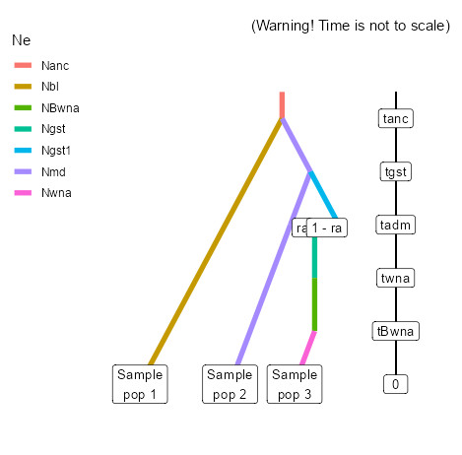 | Divergence between Pop 1 and Pop 2. Divergence between Pop 1 and Pop 4 (ghost). Admixture between Pop 1 and Pop 4 results in Novel Pop 3 - which is bottlenecked. (Note you need this scenario to include a combination where the Pop 1 diverged Pop 4 (ghost) admixes with Pop 2 creating Pop 3) |  | You need to create this scenario to include a combination where the pop2[ns] diverged pop4[gst] admixes with pop 3[gl] creating pop 1[aus] | Pool B 4
5 | Nbl Nmd Nwna Ngst Ngst1 0 sample 1 0 sample 2 0 sample 3 tBwna varNe 3 NBwna twna merge 4 3 tadm split 4 1 5 ra tgst merge 1 5 tanc merge 2 1 tanc varNe 2 Nanc | 2 parental populations with constant effective population sizes [Nns] and [Ngl] have diverged at time [tanc] from an ancestral population of size [Nanc]. At time [tgst] Population 3[gl] and Population 4[gst] have diverged. At time [taus], there has been an admixture event between the popualtion 3[gl] and the 'ghost' population 4[gst] giving birth to an admixed population 1[aus] with effective size NBaus at time [tBaus], due to a bottleneck lasting a given number of generations, and with an admixture rate [ra] corresponding to the proportion of genes from Population 3[gl]. | tanc>gst tanc>taus tanc>tBaus tgst>taus tgst>tBaus taus>tBaus | B (origin by admixture) | 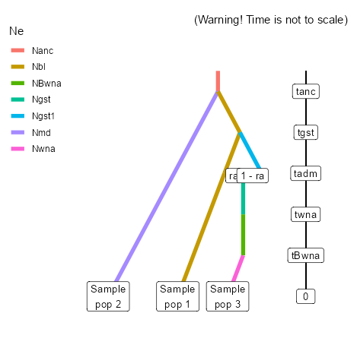 |  |  |  | Pool B 5
6 | Nbl Nmd Nwna Ngst Ngst1 0 sample 1 0 sample 2 0 sample 3 tBwna varNe 3 NBwna twna merge 4 3 tadm split 4 1 5 ra tgst merge 2 5 tanc merge 2 1 tanc varNe 2 Nanc | You need to create this scenario to include a combination where the pop2[ns] diverged pop4[gst] admixes with pop 3[gl] creating pop 1[aus] | tanc>gst tanc>taus tanc>tBaus tgst>taus tgst>tBaus taus>tBaus | B (origin by admixture) | 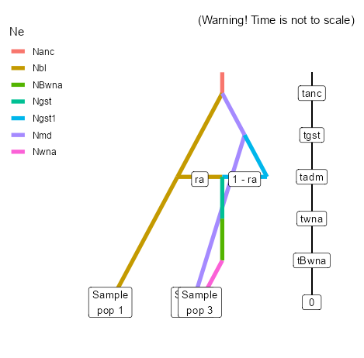 |  |  |  | Pool B 6
7 | Nbl Nmd Nwna Ngst Ngst1 0 sample 1 0 sample 2 0 sample 3 tBwna varNe 3 NBwna twna merge 4 3 tadm split 4 2 5 ra tgst merge 1 5 tanc merge 2 1 tanc varNe 2 Nanc | You need to create this scenario to include a combination where the pop3[gl] diverged pop4[gst] admixes with pop 2[ns] creating pop 1[aus] | tanc>gst tanc>taus tanc>tBaus tgst>taus tgst>tBaus taus>tBaus | B (origin by admixture) | 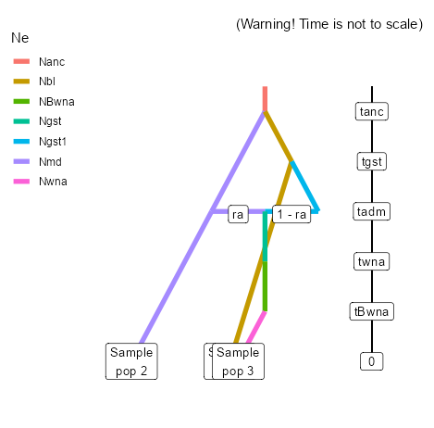 | You need to create this scenario to include a combination where the pop2[ns] diverged pop4[gst] admixes with pop 3[gl] creating pop 1[aus] |  |  | Pool B 7
1 | Nbl Nmd Nwna Ngst1 Ngst2 0 sample 1 0 sample 2 0 sample 3 tpost split 3 5 4 ra tBwna2 varNe 5 NBgst2 twna2 merge 1 5 tBwna varNe 4 NBgst1 twna merge 1 4 tanc merge 2 1 tanc varNe 2 Nanc | at time [tanc], which has a effective population [Nanc], pop2[med] and pop1[balt] split. At time [twna] pop 4 [gst1] splits off pop1[balt] and is bottlenecked for time [tBwna] resulting in Ne of [NBgst1]. Later (earlier) at time [tBwna2] pop 5 [gst2] splits off pop1[balt] and is bottlenecked for time [tBwna2] resulting in a Ne of [NBgst2]. Then at time [tpost] pop3 [wna] is given rise to from the admixture of pop5[gst2] and pop4[gst1] at a rate of [ra]. | tanc (105-10000) twna (84-104) twna2 (0-104) both tBwna1 and 2 (0-104) but tBwna1 <twna and tBwna2 < twna2. also twna>twna2 and twna>tpost. Twna2>tpost (0-104) | C (two introductions) | 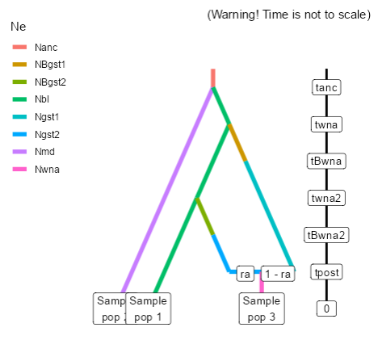
2 | Nbl Nmd Nwna Ngst1 Ngst2 0 sample 1 0 sample 2 0 sample 3 tpost split 3 5 4 ra tBwna2 varNe 5 NBgst2 twna2 merge 2 5 tBwna varNe 4 NBgst1 twna merge 1 4 tanc merge 2 1 tanc varNe 2 Nanc | At time [tanc], which has a effective population [Nanc], pop2[med] and pop1[balt] split. At time [twna] pop 4 [gst1] splits off pop1[balt] and is bottlenecked for time [tBwna] resulting in Ne of [NBgst1]. Later (more recently) at time [tBwna2] pop 5 [gst2] splits off pop2[med] and is bottlenecked for time [tBwna2] resulting in a Ne of [NBgst2]. Then at time [tpost] pop3 [wna] is given rise to from the admixture of pop5[gst2] and pop4[gst1] at a rate of [ra]. |  | C (two introductions) | 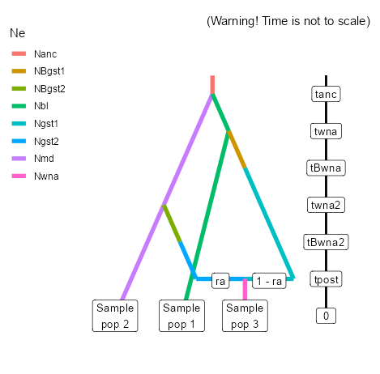
3 | Nbl Nmd Nwna Ngst1 Ngst2 0 sample 1 0 sample 2 0 sample 3 tpost split 3 4 5 ra tBwna2 varNe 4 NBgst1 twna2 merge 2 4 tBwna varNe 5 NBgst2 twna merge 1 5 tanc merge 2 1 tanc varNe 2 Nanc | At time [tanc], which has a effective population [Nanc], pop2[med] and pop1[balt] split. At time [twna] pop 5 [gst2] splits off pop1[balt] and is bottlenecked for time [tBwna] resulting in Ne of [NBgst2]. Later (more recently) at time [tBwna2] pop 4 [gst1] splits off pop2[med] and is bottlenecked for time [tBwna2] resulting in a Ne of [NBgst1]. Then at time [tpost] pop3 [wna] is given rise to from the admixture of pop5[gst2] and pop4[gst1] at a rate of [ra]. |  | C (two introductions) | 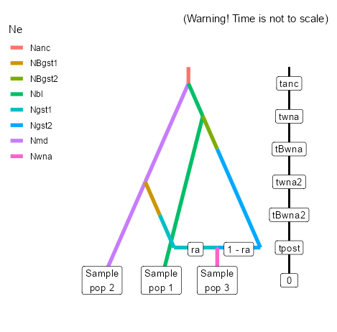 | The same as the previous scenario but with the order of divergence swapped
4 | Nbl Nmd Nwna Ngst1 Ngst2 Ngst3 0 sample 1 0 sample 2 0 sample 3 tpost split 3 5 4 ra tBwna2 varNe 5 NBgst2 twna2 merge 1 5 tBwna varNe 4 NBgst1 twna merge 6 4 tanc merge 2 6 tanc merge 2 1 tanc varNe 2 Nanc | At time [tanc], there is an ancestral population which has a effective population [Nanc], pop2[med], pop1[balt] and pop6[gst3] split. At time [twna] pop4 [gst1] splits off pop6[gst3] and is bottlenecked for time [tBwna] resulting in Ne of [NBgst1]. Later (more recently) at time [tBwna2] pop 5[gst2] splits off pop1[balt] and is bottlenecked for time [tBwna2] resulting in a Ne of [NBgst2]. Then at time [tpost] pop3 [wna] is given rise to from the admixture of pop5[gst2] and pop4[gst1] at a rate of [ra]. |  | C (two introductions) | 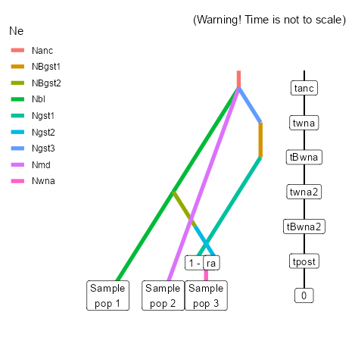
5 | Nbl Nmd Nwna Ngst1 Ngst2 Ngst3 0 sample 1 0 sample 2 0 sample 3 tpost split 3 5 4 ra tBwna2 varNe 5 NBgst2 twna2 merge 6 5 tBwna varNe 4 NBgst1 twna merge 1 4 tanc merge 2 6 tanc merge 2 1 tanc varNe 2 Nanc | At time [tanc], there is an ancestral population which has a effective population [Nanc], pop2[med], pop1[balt] and pop6[gst3] split. At time [twna] pop4 [gst1] splits off pop1[baltic] and is bottlenecked for time [tBwna] resulting in Ne of [NBgst1]. Later (more recently) at time [tBwna2] pop 5[gst2] splits off pop6[gst3] and is bottlenecked for time [tBwna2] resulting in a Ne of [NBgst2]. Then at time [tpost] pop3 [wna] is given rise to from the admixture of pop5[gst2] and pop4[gst1] at a rate of [ra]. |  | C (two introductions) | 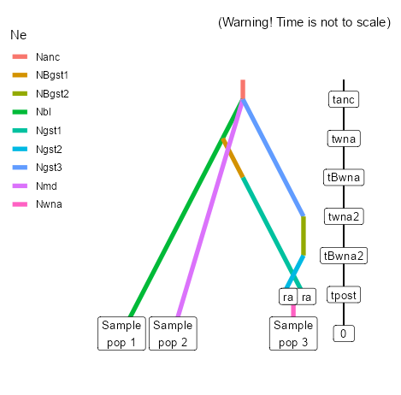 | The same as the previous scenario but with the order of divergence swapped
6 | Nbl Nmd Nwna Ngst1 Ngst2 Ngst3 0 sample 1 0 sample 2 0 sample 3 tpost split 3 5 4 ra tBwna2 varNe 5 NBgst2 twna2 merge 6 5 tBwna varNe 4 NBgst1 twna merge 6 4 tanc merge 2 6 tanc merge 2 1 tanc varNe 2 Nanc | At time [tanc], there is an ancestral population which has a effective population [Nanc], pop2[med], pop1[balt] and pop6[gst3] split. At time [twna] pop4 [gst1] splits off pop6[gst3] and is bottlenecked for time [tBwna] resulting in Ne of [NBgst1]. Later (more recently) at time [tBwna2] pop 5[gst2] splits off pop6[gst3] and is bottlenecked for time [tBwna2] resulting in a Ne of [NBgst2]. Then at time [tpost] pop3 [wna] is given rise to from the admixture of pop5[gst2] and pop4[gst1] at a rate of [ra]. |  | C (two introductions) | 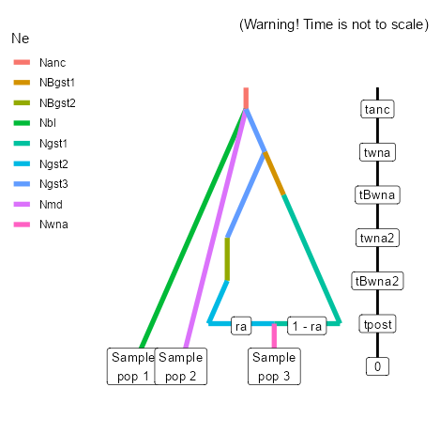 | Both ghosts diverge from the source ghost
7 | Nbl Nmd Nwna Ngst1 Ngst2 0 sample 1 0 sample 2 0 sample 3 tpost split 3 5 4 ra tBwna2 varNe 5 NBgst2 twna2 merge 2 5 tBwna varNe 4 NBgst1 twna merge 2 4 tanc merge 2 1 tanc varNe 2 Nanc | Same as scenario 1 but now diverge from population 2[med] |  | C (two introductions) | 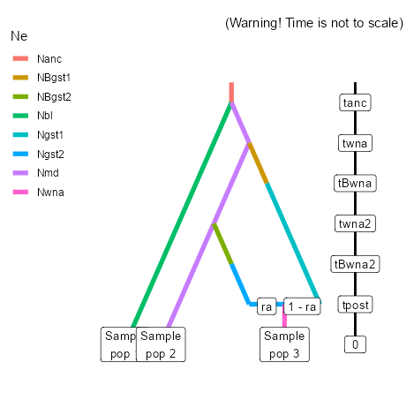
8 | Nbl Nmd Nwna Ngst1 Ngst2 Ngst3 0 sample 1 0 sample 2 0 sample 3 tpost split 3 5 4 ra tBwna2 varNe 5 NBgst2 twna2 merge 2 5 tBwna varNe 4 NBgst1 twna merge 6 4 tanc merge 2 6 tanc merge 2 1 tanc varNe 2 Nanc | Same as scenario 4 but now diverge from population 2[med] later (gst3:source ghost diverges first). Not seen Pop1[baltic] suspected behind the line for pop2 (needs to be drawn in as a green line) |  | C (two introductions) | 
9 | Nbl Nmd Nwna Ngst1 Ngst2 Ngst3 0 sample 1 0 sample 2 0 sample 3 tpost split 3 5 4 ra tBwna2 varNe 5 NBgst2 twna2 merge 6 5 tBwna varNe 4 NBgst1 twna merge 2 4 tanc merge 2 6 tanc merge 2 1 tanc varNe 2 Nanc | Same as scenario 5 but now diverge from population 2[med] earlier (pop5[gst2] diverges from pop6[gst3] later). In the firguee it appear like pop1[Baltic] emerges from pop6[gst3] but the lines are juist lying ontop of each other. Pop1[baltic] isnt involved in this scenario at all. |  | C (two introductions) | 

